Sheet1
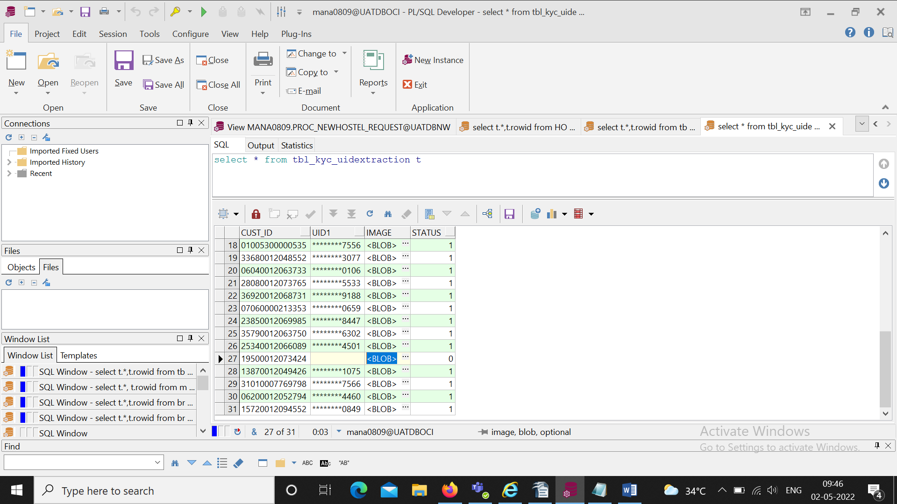
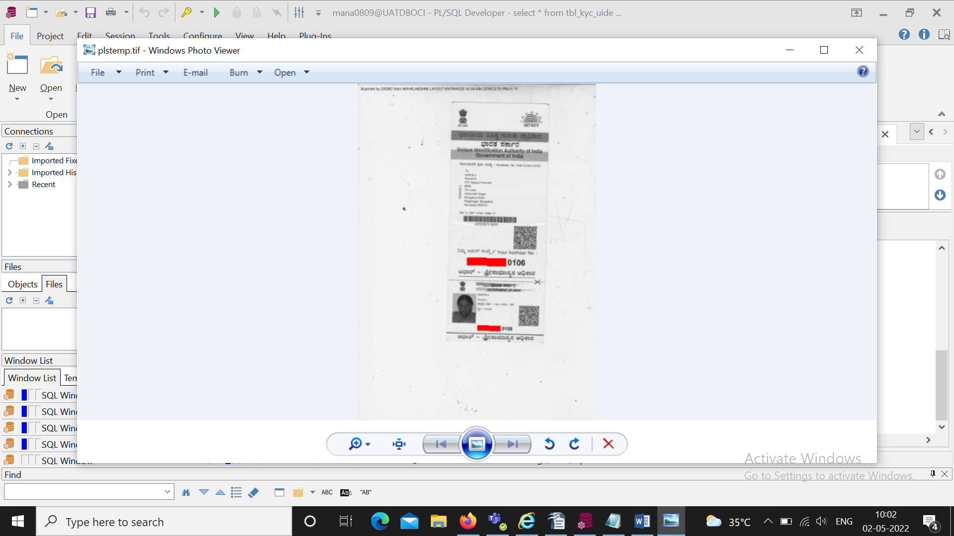
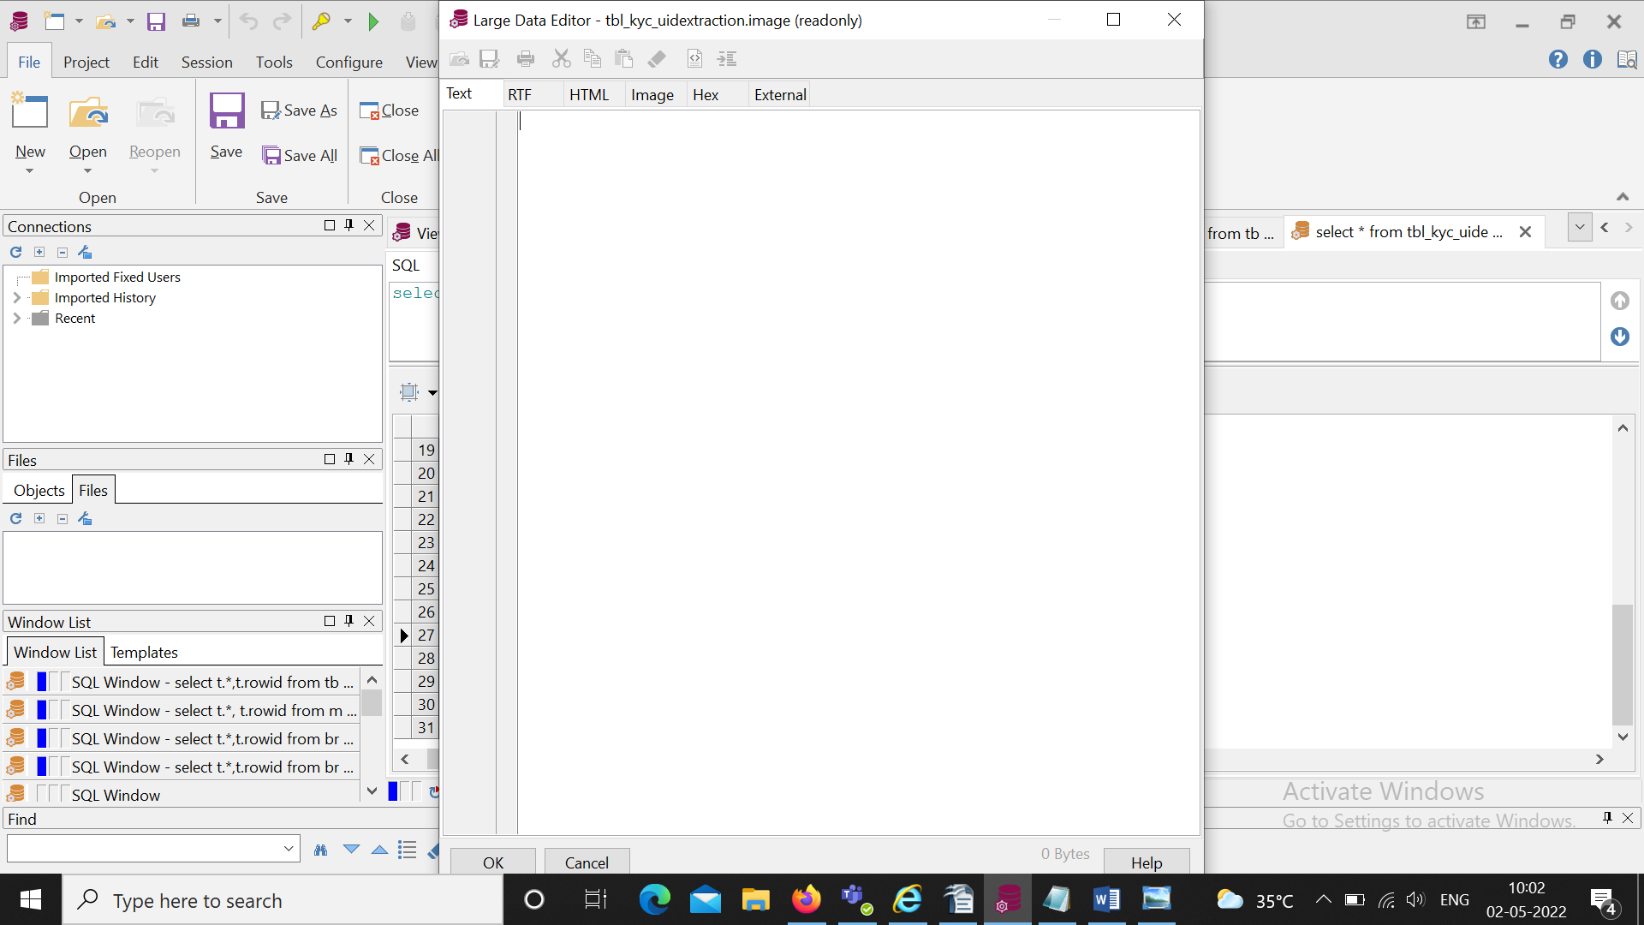
The Aadhh ar number get masked when the Status id = 1
There is no image when the status id=0,So no masking is there

